Sheet1
 | Train Set without balancing
 |  |  |  | Test Set without balancing
 | Logistic Regression | Decision Tree | XGBoost
Accuracy | 0.99 | 0.99 | 0.99 |  | Logistic Regression | Decision Tree | XGboost
Sensitivity | 0.7 | 1 | 0.85 | Accuracy | 0.99 | 0.99 | 0.99
Specificity | 0.99 | 1 | 0.99 | Sensitivity | 0.7 | 0.58 | 0.75
F1 Score | 0.76 | 0.75 | 0.9 | Specitivity | 0.99 | 0.99 | 0.99
ROC | 0.99 | 0.95 | 0.99 | F1 Score | 0.76 | 0.75 | 0.79
 |  |  |  | ROC | 0.99 | 0.92 | 0.98
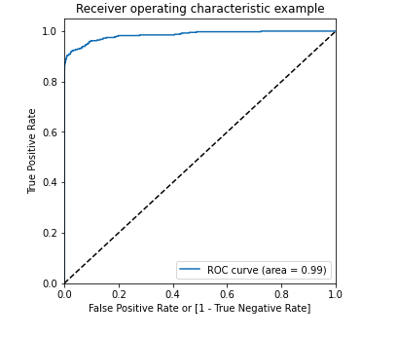
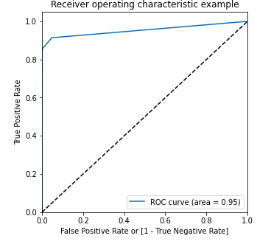
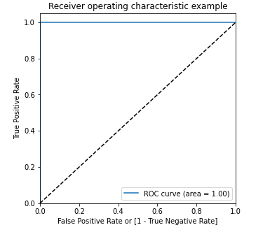
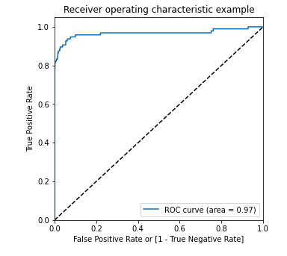
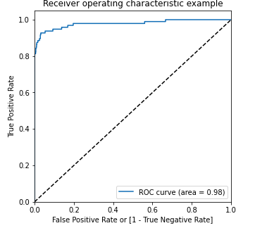
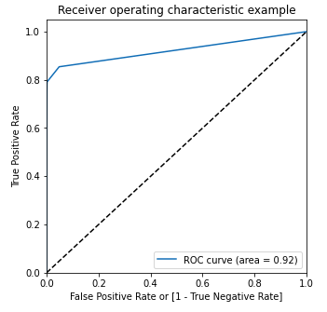

 | Train Set with balancing(Undersampling) |  |  |  | Test Set with balancing(Undersampling)

 | Logistic Regression | Decision Tree | XGboost |  | Logistic Regression | Decision Tree | XGboost
Accuracy | 0.95 | 0.93 | 0.97 | Accuracy | 0.97 | 0.96 | 0.96
Sensitivity | 0.92 | 0.88 | 0.84 | Sensitivity | 0.86 | 0.85 | 0.92
Specitivity | 0.98 | 0.97 | 0.97 | Specitivity | 0.97 | 0.96 | 0.96
ROC | 0.99 | 0.98 | 1 | ROC | 0.96 | 0.96 | 0.98
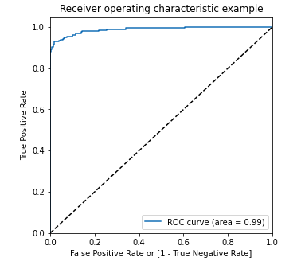
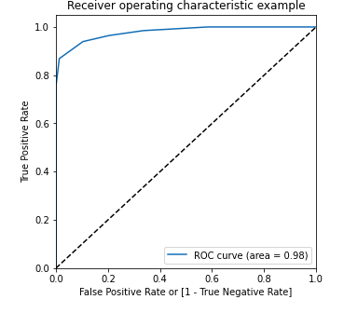
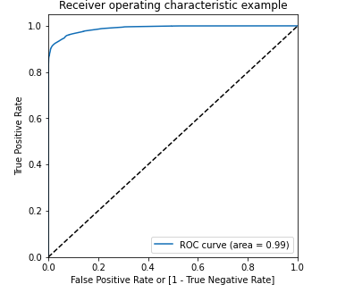

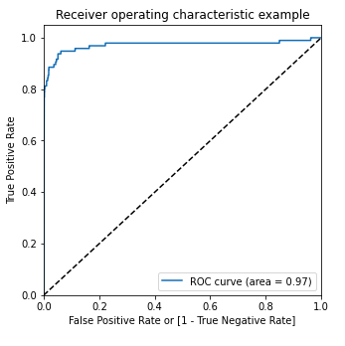

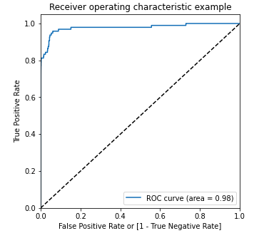

 | Train Set with balancing(SMOTE) |  |  |  | Test Set with balancing(SMOTE)

 | Logistic Regression | Decision Tree | XGboost |  | Logistic Regression | Decision Tree | XGboost
Accuracy | 0.95 | 0.99 | 0.99 | Accuracy | 0.97 | 0.98 | 0.99
Sensitivity | 0.92 | 0.99 | 1 | Sensitivity | 0.9 | 0.8 | 0.79
Specitivity | 0.98 | 0.98 | 0.99 | Specitivity | 0.99 | 0.98 | 0.99
ROC | 0.99 | 0.99 | 1 | ROC | 0.97 | 0.86 | 0.96

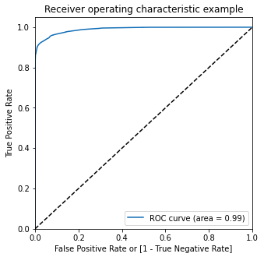
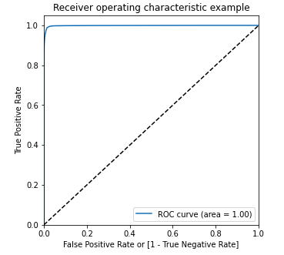
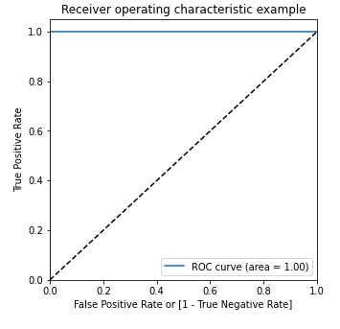
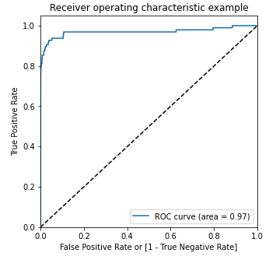
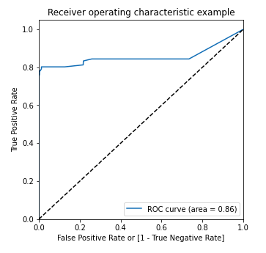
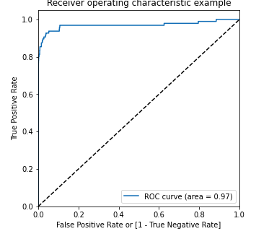

Conclusion |  | The SMOTE performed well. Among those models the simplist model Logistic regression has
 |  | ROC score 0.98 in the train set and 0.97 on the test set

 |  | Also the resoursce requirements in order to build the model is lesser than the other heavy models such as XGBoost

